Introduction
 |  | The Mama Jama / Ultimate Sports Youth Basketball

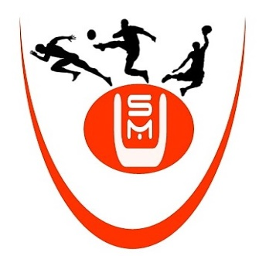

 | Jeremiah Bing Tournament
 | 2020
Bushrod Island, Liberia

Team: | Bushrod Dreams - Data

